Practice6-1
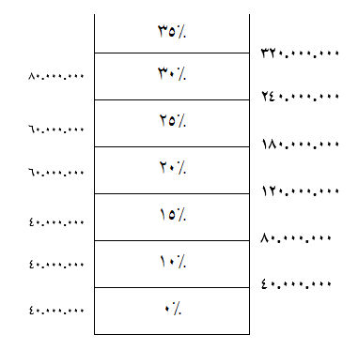
حقوق مشمول مالیات(ریال) | مالیات حقوق(ریال)
325,000,000 | 62,750,000

 | 1000000
 | 9500000
 | 375000000

 | 10,000,000

www.Excellearn.ir
www.Masoudhosseini.Com

Practice6-4
1 | شنبه | Last | First | Grade | Result(IF) | Result(SWITCH) |  | Grade | Result
2 | یکشنبه | Smith | Brandon | A | Excellent | Excellent | Excellent | A | Excellent
3 | دوشنبه | Cogdell | David | B | Good | Good |  | B | Good
4 | سه شنبه | SMITH | Adam | A | Excellent | Excellent |  | C | Normal
5 | چهارشنبه | JONES | Eve | C | Normal | Normal
6 | پنجشنبه | BROWN | Chris | C | Normal | Normal
7 | جمعه | JOHNSON | Mary | c | Normal | Normal
 |  | WILLIAMS | Nell | B | Good | Good
 |  | Smith | Joe | A | Excellent | Excellent
5 | Unknow

 |  | حقوق مشمول مالیات | مالیات
 |  | 45,000,000 | 500,000

 |  |  | TRUE

www.myelesson.org

Practice6-6
Item ID | Price
01-A | $71
02-BB | $6
03-AA | $96
A-01 | $89
AB-02 | $72
AAB-01 | $95
B-01 | $70
BB-002 | $59
BBC-04 | $47
C-01 | $92
CC-02 | $67

www.ablebits.com

