Practice6-1
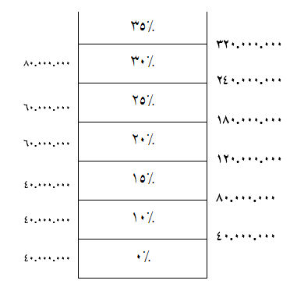
حقوق مشمول مالیات(ریال) | مالیات حقوق(ریال)
325,000,000 | 62,750,000

 | 1000000
 | 9500000
 | 375000000

 | 10,000,000

www.Excellearn.ir
www.Masoudhosseini.Com

Practice6-4
1 | شنبه | Last | First | Grade | Result(IF) | Result(SWITCH) |  | Grade | Result
2 | یکشنبه | Smith | Brandon | A | Excellent | Excellent | Excellent | A | Excellent
3 | دوشنبه | Cogdell | David | B | Good | Good |  | B | Good
4 | سه شنبه | SMITH | Adam | A | Excellent | Excellent |  | C | Normal
5 | چهارشنبه | JONES | Eve | C | Normal | Normal
6 | پنجشنبه | BROWN | Chris | C | Normal | Normal
7 | جمعه | JOHNSON | Mary | c | Normal | Normal
 |  | WILLIAMS | Nell | B | Good | Good
 |  | Smith | Joe | A | Excellent | Excellent
5 | Unknow

 |  | حقوق مشمول مالیات | مالیات
 |  | 45,000,000 | 500,000

 |  |  | TRUE

www.myelesson.org

Practice6-5
Fist name | Last name | State | Country | Postal Code City | City | Status | Price
Sally | Brooke | FL | USA | 32219 | Jacksonville | In Time | 18
Jose | Abraham | CA | USA | 93034 | Oxnard | Delayed | 5
Ronnie | Anderson | WI | USA | 54023 | Germantown | In Time
Tom | Boone | GA | USA | 30078 | Snellville | In Time | 61
David | Smith | PA | USA | 15840 | Pittsburgh | Delayed | 3
Sally | Brooke | FL | USA | 25470 | Jacksonville | Delayed | 110
Glen | Abrahams |  | USA | 32219 | Jacksonville | In Time | 309
Julia | Smith | Wi | USA | 53512 | Pittsburgh | In Time | 99
Jeremy | Hill | MI | USA | 48335 | Farmington | In Time | 160
Ronnie | Smith |  | USA | 36550 | Oxnard | Delayed | 62
Jeremy | Boone | PA | USA | 14070 | Germantown | In Time | 59
Sally | Abraham | FL | USA | 57080 | Jacksonville | In Time | 85
Ronnie | Hill | FL | USA | 98070 | Snellville | Delayed

www.Masoudhosseini.com

Practice6-6
Size | Price | Name
12x25 | $71.00 | James
1x5 | $6.00 | John
3x3 | $96.00 | Jacob
14x15 | $89.00 | Stella
25x36 | $72.00 | Stacy

www.patreon.com

Practice6-7
Size | Price | Size | Price | ?
12x25 | $71.00 | 12x25 | $71.00 | *
1x5 | $6.00 | 1x5 | $6.00 | ~
3x3 | $96.00 | 3x3 | $96.00
14x15 | $89.00 | 14x15 | $89.00
25x36 | $72.00 | 25x36 | $72.00
17x27 | $95.00 | 17x27 | $95.00
5x7 | $70.00 | 5x7 | $70.00
6x8 | $59.00 | 6x8 | $59.00

www.ablebits.com

Practice6-9
Size | Color | Qty | Price | Size | Color | Qty | Price
230 x 140 | Yellow | 3 | $95.00 | 230 x 140 | yellow | #NUM! | #NUM! | #NUM!
600 x 150 | Black | 7 | $68.00 |  |  |  |  | #VALUE
120 x 80 | Red | 8 | $92.00
250 x 140 | Blue | 8 | $26.00
118 x 78 | Blue | 5 | $55.00
700 x 1400 | Green | 5 | $39.00
109 x 69 | Red | 1 | $88.00
105 x 80 | Black | 6 | $20.00
360 x 360 | Orange | 3 | $98.00
340 x 480 | Yellow | 2 | $13.00
90 x 55 | Red | 5 | $2.00
114 x 80 | Blue | 3 | $43.00
105 x 80 | Red | 10 | $46.00
230 x 140 | Yellow | 5 | $62.00

www.Masoudhosseini.com

